Usecase
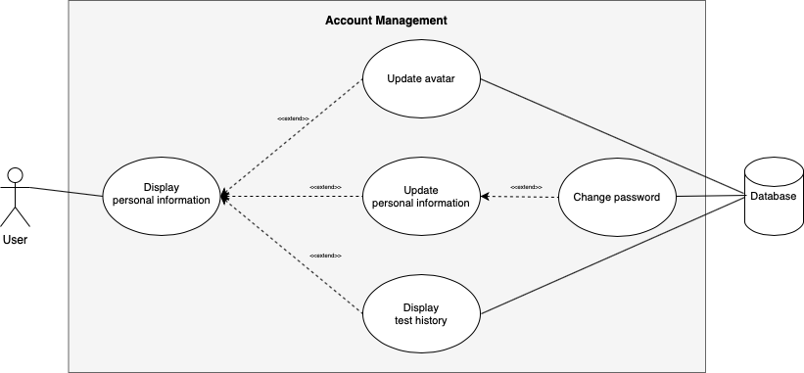
functional 6.3: Account Management

Class Diagram
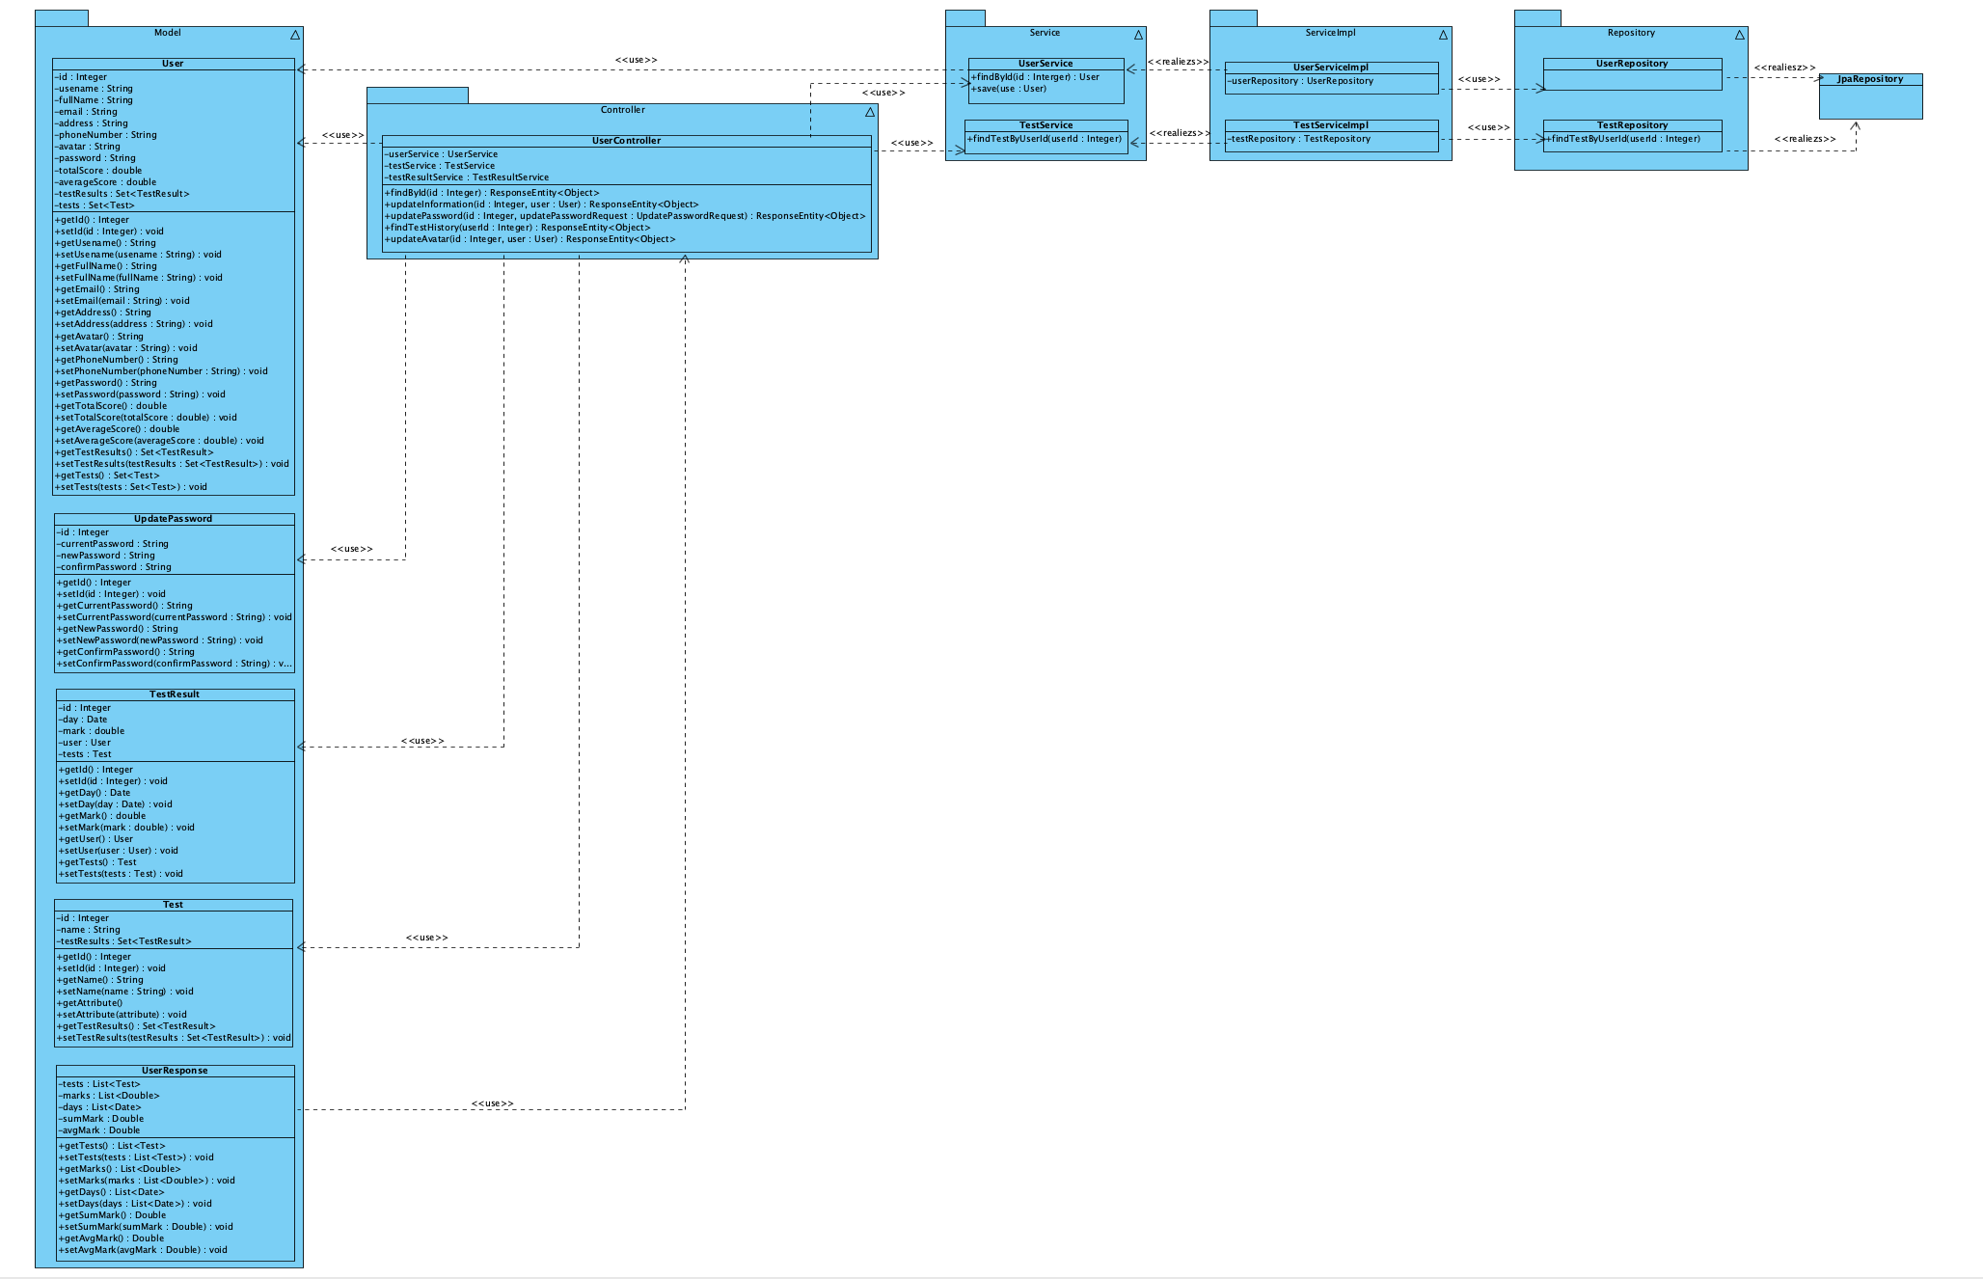
functional 6.3: Account Management

